Sheet1
IMG | Material Code | Style + Color | Material Description | GENDER | Upper Material | Grade | Grade material number | 3 | 3.5 | 4 | 4.5 | 5 | 5.5 | 6 | 6.5 | 7 | 7.5 | 8 | 8.5 | 9 | 9.5 | 10 | 10.5 | 11 | 11.5 | 12 | 12.5 | 13 | 13.5 | 14 | 15 | 16 | Total
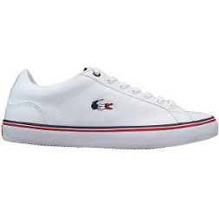 | 735CAM014821G | 35CAM014821G | LEROND 218 1 QSP CAM WHT/WHT | MEN | TXT | B | 7BTXM003THAAA |  |  |  |  |  |  |  |  |  | 21 |  |  |  |  |  |  |  |  |  |  |  |  |  |  |  | 21
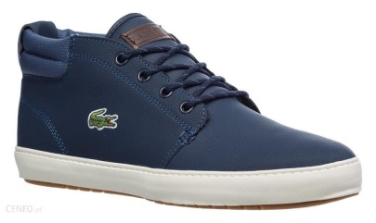 | 738CMA0028ND1 | 38CMA0028ND1 | AMPTHILL TERRA 319 1 CMA NVY/DK BLU | MEN | LTH | A | 7ALTHM001THAAA |  |  |  |  |  |  | 2 |  | 3 | 1 |  |  |  |  |  | 1 |  | 3 | 3 | 1 |  |  |  |  |  | 14
 | 738CMA0048J18 | 38CMA0048J18 | LEROND 319 1 CMA NVY/OFF WHT | MEN | LTH | A | 7ALTHM001THAAA |  |  |  |  |  |  | 3 | 1 | 2 |  | 1 |  |  | 3 |  |  |  |  |  |  | 2 |  | 1 | 1 | 1 | 15
 | 738CMA00271W3 | 38CMA00271W3 | AMPTHILL 319 1 CMA DK BRW/LT TAN | MEN | LTH | A | 7ALTHM001THAAA |  |  |  |  |  |  |  | 2 | 1 |  |  |  |  |  |  |  | 3 |  | 1 |  |  |  |  |  |  | 7
 | 738CMA0051DGT | 38CMA0051DGT | LEROND 319 4 CMA DK GRN/LT TAN | MEN | LTH | A | 7ALTHM001THAAA |  |  |  |  |  |  | 1 |  | 2 | 1 | 1 | 1 |  | 1 | 1 | 2 | 2 | 1 |  |  |  |  |  |  |  | 13
 | 738CMA0027ND1 | 38CMA0027ND1 | AMPTHILL 319 1 CMA NVY/DK BLU | MEN | LTH | A | 7ALTHM001THAAA |  |  |  |  |  |  | 1 | 1 |  |  |  |  |  |  |  | 3 |  |  |  |  |  |  |  |  |  | 5
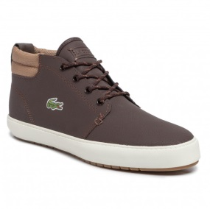 | 738CMA0028489 | 38CMA0028489 | AMPTHILL TERRA 319 1 CMA DK BRW/LT BRW | MEN | LTH | A | 7ALTHM001THAAA |  |  |  |  |  |  | 1 |  |  |  |  |  |  |  |  |  |  | 2 |  |  |  |  |  |  |  | 3
x | 737CMA0049147 | 37CMA0049147 | LEROND 219 1 JD CMA WHT/BLK | MEN | LTH | A | 7ALTHM001THAAA |  |  |  |  |  |  |  |  |  |  | 2 |  |  |  |  |  | 2 |  |  |  |  |  |  |  |  | 4
 | 7-32CAM0053024 | 7-32CAM0053024 | Lacoste Mens Court-Minimal Black Trainers | MEN |  | A |  |  |  |  |  |  |  |  |  |  |  |  | 3 |  |  | 1 | 15 |  |  | 3 |  |  |  |  |  |  | 22
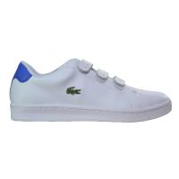 | 7-31SPM2229AKG | 7-31SPM2229AKG | Lacoste Mens Camden New Cup White & Blue Trainers | MEN |  | A |  |  |  |  |  |  |  |  |  |  |  |  |  |  |  |  | 1 | 1 | 6 |  |  |  |  |  |  |  | 8
 | 7-33SPM1005082 | 7-33SPM1005082 | Lacoste Mens Endliner White & Green Trainers | MEN |  | A |  |  |  |  |  |  |  |  |  |  |  |  |  |  |  |  |  |  |  | 2 |  |  |  |  |  |  | 2
 |  |  |  |  |  |  |  |  |  |  |  |  |  |  |  |  |  |  |  |  |  |  |  |  |  |  |  |  |  |  |  |  | 114
Women
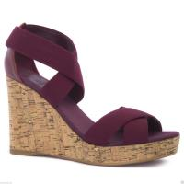 | 7-25SRW1112DR1 | 7-25SRW1112DR1 | Lacoste Women's Juinette SRW Wedge Dark Red Heel Shoe | WOMEN | TXT | A |  |  |  |  |  | 12 |  | 14 |  | 10 |  | 14 |  |  |  |  |  |  |  |  |  |  |  |  |  |  | 50
 | 7-25SRW1118024 | 7-25SRW1118024 | Lacoste Women's Corbon Low Top Boat Black Shoes | WOMEN | TXT | A |  | 2 | 3 | 14 | 5 | 20 |  |  |  |  |  |  |  |  |  |  |  |  |  |  |  |  |  |  |  |  | 44
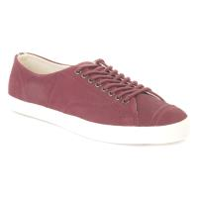 | 7-26SRW0132FD8 | 7-26SRW0132FD8 | Lacoste Women's Raylen Classic Burgundy Trainers | WOMEN | TXT | A |  | 1 | 2 | 10 | 3 | 7 |  | 4 | 4 | 2 | 3 |  |  |  |  |  |  |  |  |  |  |  |  |  |  |  | 36
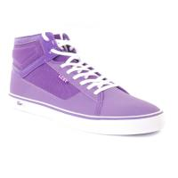 | 7-25SWC200284X | 7-25SWC200284X | Lacoste Women's Vaultstar High Tops Lace Up Purple Trainers | WOMEN | TXT | A |  | 1 | 1 | 3 | 2 | 7 | 5 | 1 |  | 4 |  |  |  |  |  |  |  |  |  |  |  |  |  |  |  |  | 24
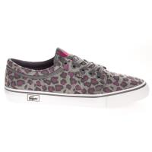 | 7-26SCW400816C | 7-26SCW400816C | Lacoste Women's Vaultstar LP SCW Grey Grey Trainers | WOMEN | TXT | A |  |  |  | 3 |  | 4 | 6 | 3 | 2 | 1 | 2 |  |  |  |  |  |  |  |  |  |  |  |  |  |  |  | 21
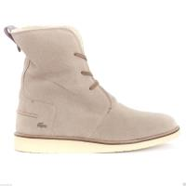 | 7-26SRW0144158 | 7-26SRW0144158 | Lacoste Women's Baylen Lace Up Light Brown Boot | WOMEN | TXT | A |  | 7 |  |  |  |  |  |  |  |  |  |  |  |  |  |  |  |  |  |  |  |  |  |  |  |  | 7
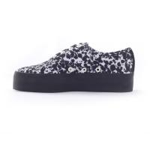 | 7-26LEW0004312 | 7-26LEW0004312 | Lacoste Vaultstar MID Women's Mid Top Black White Trainers | WOMEN | TXT | A |  |  |  |  |  |  | 4 |  |  |  | 2 |  |  |  |  |  |  |  |  |  |  |  |  |  |  |  | 6
 | 7-25SRW1111078 | 7-25SRW1111078 | Lacoste Kellam Women's Wedge Heel Brown Shoes | WOMEN | TXT | A |  |  |  |  |  |  |  |  |  |  |  | 5 |  |  |  |  |  |  |  |  |  |  |  |  |  |  | 5
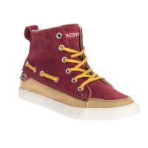 | 7-26LEW01247B2 | 7-26LEW01247B2 | Lacoste Women's Raleigh Hi-Top Red Trainers | WOMEN | TXT | A |  |  |  | 1 |  |  |  |  |  |  |  |  |  |  |  |  |  |  |  |  |  |  |  |  |  |  | 1
 | 737CFA0002312 | 37CFA0002312 | CROCO SANDAL 219 1 CFA BLK WHT | WOMEN | SYN | B | 7BPUW002IDAAA | 6 |  |  |  |  |  |  |  |  |  | 12 |  |  |  |  |  |  |  |  |  |  |  |  |  |  | 18
x | 738CFA00622Q5 | 38CFA00622Q5 | TATALYA 319 1 P CFA LT GRY/WHT | WOMEN | TXT | B | 7BTXW003THAAA |  |  | 6 |  | 2 |  | 4 | 2 | 6 | 2 | 4 |  |  |  |  |  |  |  |  |  |  |  |  |  |  | 26
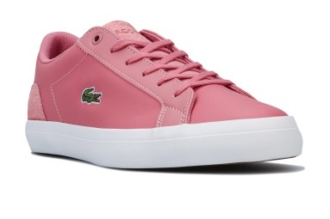 | 738CFA0063F50 | 38CFA0063F50 | LEROND 319 1 QSP CFA PNK/WHT | WOMEN | LTH | A | 7ALTHW001THAAA | 4 |  |  | 4 |  | 2 | 3 | 1 |  |  |  |  |  |  |  |  |  |  |  |  |  |  |  |  |  | 14
 | 738SFA0018J18 | 38SFA0018J18 | GRADUATE 319 2 SFA NVY/OFF WHT | WOMEN | LTH | A | 7ALTHW001THAAA | 1 | 2 | 5 |  | 4 |  | 3 |  | 1 |  | 1 |  |  |  |  |  |  |  |  |  |  |  |  |  |  | 17
 | 738CFA0028454 | 38CFA0028454 | GAZON 2.0 319 2 CFA BLK/OFF WHT | WOMEN | LTH | A | 7ALTHW001THAAA | 7 | 3 | 7 | 4 | 4 | 3 | 3 | 1 | 1 | 1 |  |  |  |  |  |  |  |  |  |  |  |  |  |  |  | 34
 | 738CFA006303A | 38CFA006303A | LEROND 319 1 QSP CFA OFF WHT/WHT | WOMEN | LTH | A | 7ALTHW001THAAA |  | 1 |  |  | 1 |  |  | 2 |  |  | 5 |  |  |  |  |  |  |  |  |  |  |  |  |  |  | 9
 | 727SPW302621G | 27SPW302621G | GRADUATE OFF SPW WHT/WHT | WOMEN | LTH | A | 7ALTHW001THAAA | 1 |  |  |  | 4 | 2 |  |  |  |  |  |  |  |  |  |  |  |  |  |  |  |  |  |  |  | 7
x | 738CFA00282P8 | 38CFA00282P8 | GAZON 2.0 319 2 CFA DK RED/OFF WHT | WOMEN | LTH | B | 7ALTHW001THAAA | 5 | 1 | 7 | 4 | 4 | 3 | 2 |  | 2 | 2 | 2 |  |  |  |  |  |  |  |  |  |  |  |  |  |  | 32
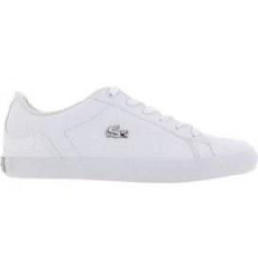 | 735CAW0093001 | 35CAW0093001 | LEROND 118 1 QSP CAW WHT | WOMEN | LTH | A | 7ALTHW001THAAA |  |  |  | 2 | 1 | 1 |  |  | 1 |  |  |  |  |  |  |  |  |  |  |  |  |  |  |  |  | 5
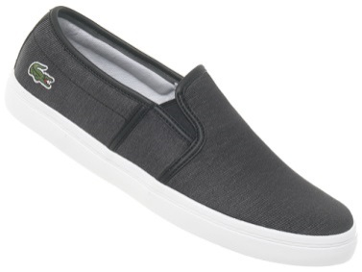 | 738CFA0062312 | 38CFA0062312 | TATALYA 319 1 P CFA BLK/WHT | WOMEN | TXT | A | 7ATXW003THAAA | 3 | 2 | 3 | 1 | 1 | 1 | 1 | 2 | 2 | 1 |  |  |  |  |  |  |  |  |  |  |  |  |  |  |  | 17
x | 738CFA0063032 | 38CFA0063032 | LEROND 319 1 QSP CFA DK GRY/WHT | WOMEN | LTH | B | 7ALTHW001THAAA |  |  |  |  |  |  |  |  | 1 |  |  |  |  |  |  |  |  |  |  |  |  |  |  |  |  | 1
 | 738CFA002818C | 38CFA002818C | GAZON 2.0 319 2 CFA OFF WHT/OFF WHT | WOMEN | LTH | A | 7ALTHW001THAAA | 1 | 3 | 7 | 2 | 6 | 5 |  | 1 | 2 |  | 1 |  |  |  |  |  |  |  |  |  |  |  |  |  |  | 28
x | 738CFA0054DB4 | 38CFA0054DB4 | RENE 319 1 G CFA DK BLU/DK BLU | WOMEN | TXT | A | 7ATXW003THAAA | 1 |  | 1 |  | 1 |  |  |  | 1 |  | 1 |  |  |  |  |  |  |  |  |  |  |  |  |  |  | 5
x | 738CFA00622Q5 | 38CFA00622Q5 | TATALYA 319 1 P CFA LT GRY/WHT | WOMEN | TXT | A | 7ATXW003THAAA |  |  | 6 |  | 2 |  | 4 | 2 | 6 | 2 | 4 |  |  |  |  |  |  |  |  |  |  |  |  |  |  | 26
x | 738CFA0054LG2 | 38CFA0054LG2 | RENE 319 1 G CFA LT GRN/LT GRN | WOMEN | TXT | A | 7ATXW003THAAA | 1 |  |  |  | 1 |  |  |  | 1 |  | 1 |  |  |  |  |  |  |  |  |  |  |  |  |  |  | 4
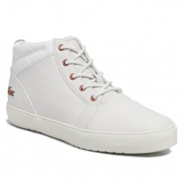 | 738CFA004318C | 38CFA004318C | AMPTHILL 319 2 CFA OFF WHT/OFF WHT | WOMEN | LTH | A | 7ALTHW001THAAA |  |  |  |  |  | 1 |  |  |  |  | 1 |  |  |  |  |  |  |  |  |  |  |  |  |  |  | 2
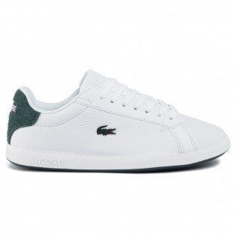 | 738SFA00171R5 | 38SFA00171R5 | GRADUATE 319 1 SFA WHT/DK GRN | WOMEN | LTH | A | 7ALTHW001THAAA |  |  |  |  |  |  |  |  | 1 | 1 |  |  |  |  |  |  |  |  |  |  |  |  |  |  |  | 2
x | 738CFA0054LB2 | 38CFA0054LB2 | RENE 319 1 G CFA LT BLU/LT BLU | WOMEN | TXT | A | 7ATXW003THAAA |  |  | 1 |  |  |  |  |  | 1 |  | 1 |  |  |  |  |  |  |  |  |  |  |  |  |  |  | 3
 | 737CFA0070108 | 37CFA0070108 | LEROND 119 1 QSP CFA WHT/SLV | WOMEN | LTH | A | 7ALTHW001THAAA |  |  | 1 |  |  |  |  | 1 |  |  |  |  |  |  |  |  |  |  |  |  |  |  |  |  |  | 2
x | 738CFA005418C | 38CFA005418C | RENE 319 1 G CFA OFF WHT/OFF WHT | WOMEN | TXT | A | 7ATXW003THAAA |  | 1 |  |  |  |  |  |  | 1 |  |  |  |  |  |  |  |  |  |  |  |  |  |  |  |  | 2
 | 738CFA00372P2 | 38CFA00372P2 | SIDELINE 319 2 CFA DK GRY/GRY | WOMEN | TXT | B | 7BTXW003THAAA |  |  |  |  | 1 |  |  |  |  |  |  |  |  |  |  |  |  |  |  |  |  |  |  |  |  | 1

 |  |  |  |  |  |  |  |  |  |  |  |  |  |  |  |  |  |  |  |  |  |  |  |  |  |  |  |  |  |  |  |  | 449

